PO Types
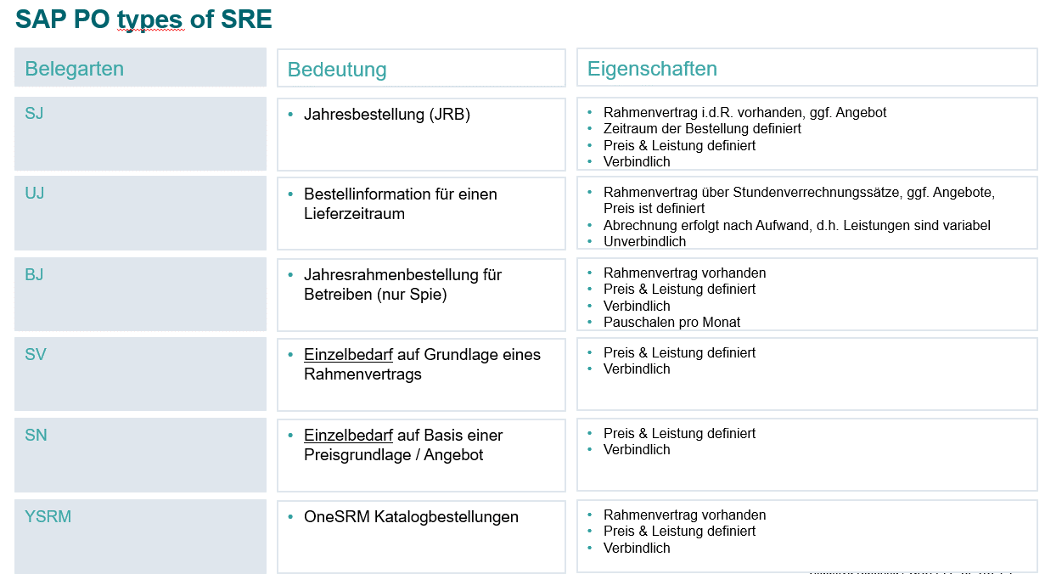
Process | Planned or Unplanned | PO Doc type | Item Category | Acc Assignmt | Validity Date | Item Product Type | Quantity | DRAFT | DRAFT
Consumption | Planned | NB - Standard | - Standard | K – Cost Center A - Asset P – Project | NA | NA | Yes | SV - Normal PO with ref. to contract SN - Normal PO with no ref. to offer | Autom. Text - nicht änderbar Die Bestellung erfolgt zu unseren jeweils gültigen Bestellbedingungen, sofern nicht in dieser Bestellung auf abweichende Bedingungen verwiesen wird, die dann vorrangig gelten. Die Bestellbedingungen können Sie unter https://www.siemens.com/de/de/unternehmen/konzern/konzernfunktionen/supply-chain-management/zusammenarbeit-mit-siemens.html einsehen. Auf Wunsch werden wir Ihnen diese auch gerne zusenden. Manuell Einkäufer verweist im Kopftext auf die spezifische BB
Consumption | Unplanned | NB - Standard | B – Limit * | K – Cost Center | NA | NA | No (1 AU) |  | Autom. Text - nicht änderbar Die Bestellung erfolgt zu unseren jeweils gültigen Bestellbedingungen, sofern nicht in dieser Bestellung auf abweichende Bedingungen verwiesen wird, die dann vorrangig gelten. Die Bestellbedingungen können Sie unter https://www.siemens.com/de/de/unternehmen/konzern/konzernfunktionen/supply-chain-management/zusammenarbeit-mit-siemens.html einsehen. Auf Wunsch werden wir Ihnen diese auch gerne zusenden. Manuell Einkäufer verweist im Kopftext auf die spezifische BB
Framework | Planned | FO - Framework | - Standard | K – Cost Center A - Asset P – Project | Header Start and End Date | NA | Yes | SJ - Binding Framework order with ref. to contract | Autom. Text - nicht änderbar Die Bestellung erfolgt zu unseren jeweils gültigen Bestellbedingungen, sofern nicht in dieser Bestellung auf abweichende Bedingungen verwiesen wird, die dann vorrangig gelten. Die Bestellbedingungen können Sie unter https://www.siemens.com/de/de/unternehmen/konzern/konzernfunktionen/supply-chain-management/zusammenarbeit-mit-siemens.html einsehen. Auf Wunsch werden wir Ihnen diese auch gerne zusenden. Manuell Einkäufer verweist im Kopftext auf die spezifische BB. Verweis auf VertragsID (Standardfeld?)
Framework | Unplanned | FO - Framework | B – Limit * | K – Cost Center | Header Start and End Date | NA | No (1 AU) | UJ - Non-binding Framework order with ref. to contract | Bestellinformation Autom. Text - nicht änderbar Die Bestellung erfolgt zu unseren jeweils gültigen Bestellbedingungen, sofern nicht in dieser Bestellung auf abweichende Bedingungen verwiesen wird, die dann vorrangig gelten. Die Bestellbedingungen können Sie unter https://www.siemens.com/de/de/unternehmen/konzern/konzernfunktionen/supply-chain-management/zusammenarbeit-mit-siemens.html einsehen. Auf Wunsch werden wir Ihnen diese auch gerne zusenden. Manuell Einkäufer verweist im Kopftext auf die spezifische BB. Verweis auf VertragsID (Standardfeld?) Diese Bestellinformation ist rechtlich unverbindlich und dient nur zur Information über den voraussichtlichen Bedarf an Lieferungen und Leistungen innerhalb des Geltungszeitraumes der Bestellinformation.
Lean Service | Planned | NB - Standard | - Standard | K – Cost Center A - Asset P – Project | Item Start and End Date | Yes – 2-Service | Yes | TBD
Lean Service | Unplanned | NB - Standard | E- Enhanced Limit | K – Cost Center P - Project A - Asset | Item Start and End Date | Yes – 2-Service | No | TBD

